3. Membership types DACdb
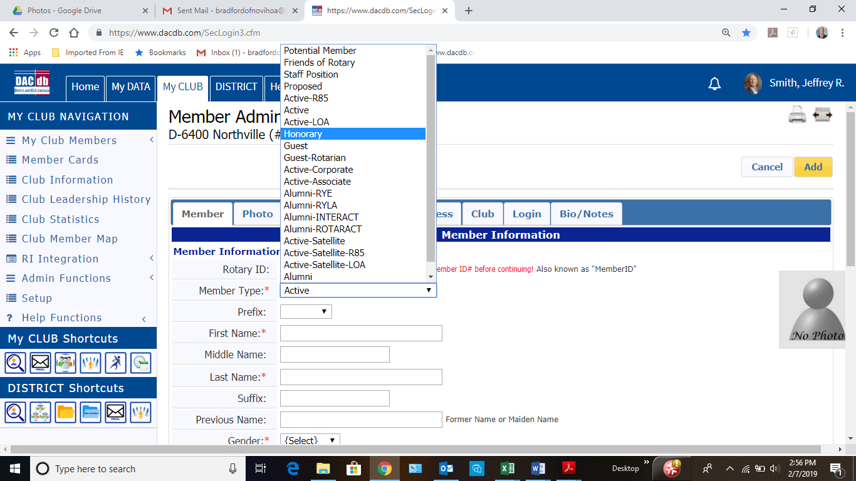
Membership Types per DACdb

